Лист1
Test Cases - Amazon uk Funcional Testing by Gydyrym Aleksandr |  |  |  |  |  | System: | Windows 10 Pro
 |  |  |  |  |  | Chrome Version: | 103.0.5060.114

ID | Priority | Name | Objective | Pre-Conditions | Steps | Test Data | Expected Result | Status | Image
1 | High | Amazon - Sign In (registration) | This test case verifies, that users can Sign In or Register. | 1. amazon.co.uk/ home page is opened | 1. Click on dropdown button "Hello,Sign In Account & Lists" |  | 1. Page with Sign In menu is opened | Passed
 |  |  |  |  | 2. Click on link "Create Your Amazon Account" option |  | 2. New page "Create Accoun" is opened | Passed
 |  |  |  |  | 3. Fill in required information | Your name: Test1 Mobile number or email: dra***ol@gmail.com | 3.Required information is filled | Passed
 |  |  |  |  | 4. Click button "Verify Email" |  | 4. Received (OTP) email with secret verification code
 |  |  |  |  | 5. Enter the received OTP code |  | 5. OTP code entered | Passed
 |  |  |  |  | 6. Click button "Create Your Amazon Account" |  | 6.Opened homepage Amazon and Dropdown button "Hello,Sign In Account & Lists" is changed & indicaded wih name of user "Hello,Test1 Account & Lists" | Passed

2 | High | Amazon - Search with filtred Departments | This test case checks if users can find the right product by searching. | 1. amazon.co.uk/ home page is opened | First Way: 1. Click on dropdown button "All" on Header of website from left side and choose department "Books" | Books | 1. Dropdown button is changed and indicated "BOOKS" | Passed
 |  |  |  |  | 2. Typing the desired book name | Agile | 2. Opened search results with required books | Passed
 |  |  |  |  | Second Way: 1,1.Click Navigation console "All" in the left upper corner of the website |  | 1,1. Navigation console is opened | Passed
 |  |  |  |  | 2,1. Find Shop By Department and click button "Books" |  | 2,1. Opened Main Menu with a books type | Passed
 |  |  |  |  | 3,1. Find Audible Audiobooks and click "Audible Membership" button |  | 3,1. Dropdown button on the header of website in the search area is changed and indicated "Audible Membership" | Passed
 |  |  |  |  | 4,1. Typing the desired book name | Scrum | 4,1. Opened search results with required Audible books | Passed

3 | Low | Amazon - Product icon with sub-department | This test case checks if the product icon with sub-departments resizes when hovering the cursor over icons. | 1. amazon.co.uk/ home page is opened | 1. Click button "Home & Garden" on top right side of header or inside of Navigation console |  | 1. Opened page with Home & Garden products | Passed
 |  |  |  |  | 2. Click button "Bedding & Linens" |  | 2. Opened page with Bedding & Linens products | Passed
 |  |  |  |  | 3. Hovering the cursor over icons |  | 3. When hovering the cursor over icons with sub-departments, it's showing departments by text under the icon, and icon size become smaller | Passed
 |  |  |  |  | 4. Click on product icon "Kitchen Linen" |  | 4. From Left side in Department area Under "Kitchen Linen" text showing sub-departments of products | Passed

Test Cases - OLX Funcional Testing by Gydyrym Aleksandr |  |  |  |  |  | System: | Windows 10 Pro
 |  |  |  |  |  | Chrome Version: | 103.0.5060.114

ID | Priority | Name | Objective | Pre-Conditions | Steps | Test Data | Expected Result | Status | Image
1 | Medium | OLX - Country flags icons indication | This test case verifies that the country flag icons become colored when you hover over the icons when you open a website with a different country domain. | 1.olx.pt/ home page is opened | 1. Hovering the cursor over flag icons |  | 1. Country flags became colored when cursor over icon | Passed | 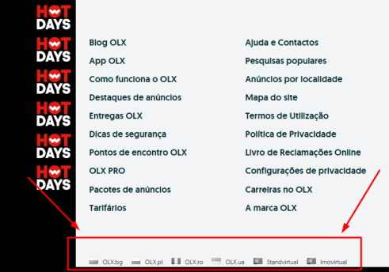
 |  |  |  |  | 2. Click country flag icon |  | 2. Opened new website with required country and domain | Passed
 |  |  |  | 2.olx.bg/ home page is opened | 1. Hovering the cursor over flag icons |  | 1. Country flags became colored when cursor over icon | BUG | Find attached BUG report
 |  |  |  | 3.olx.ro/ home page is opened | 1. Hovering the cursor over flag icons |  | 1. Country flags became colored when cursor over icon | BUG | Find attached BUG report
 |  |  |  | 4.olx.pl/ home page is opened | 1. Hovering the cursor over flag icons |  | 1. Country flags became colored when cursor over icon | BUG | Find attached BUG report
 |  |  |  | 5.olx.Ua/ home page is opened | 1. Hovering the cursor over flag icons |  | 1. Country flags became colored when cursor over icon | BUG | Find attached BUG report

Test Cases - Devexperts Funcional Testing by Gydyrym Aleksandr |  |  |  |  |  | System: | Windows 10 Pro
 |  |  |  |  |  | Chrome Version: | 103.0.5060.114

ID | Priority | Name | Objective | Pre-Conditions | Steps | Test Data | Expected Result | Status | Image
1 | High | Learn about Dxcharts" | This test case verifies the function of buttons | 1.devexperts.com/ home page is opened | 1. Click "Learn about Dxcharts" button, from left side on the upper part of website |  | 1. Page with required information is opened | Passed | 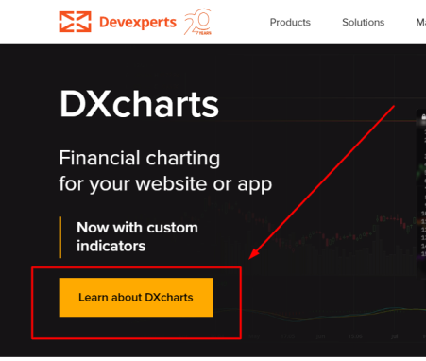
 |  |  |  |  | 2. Click "Advanced Widget" link, from center under header of website |  | 2. Page with Advanced Financial Chart Widget is opened | Passed
 |  |  |  |  | 3. Click "For Startups" link, from center under header of website |  | 3. Page with Financial Charts for Startups is opened | Passed
 |  |  |  |  | 4. Click to move back "Dxcharts" link, from center under header of website. |  | 4. Page with DXchartss is opened. | Passed
 |  |  |  |  | 5. Click "Check out the demo" button |  | 5. Page with Demo is opened | Passed

2 | High | Negative test of "Contact Us" pop-up button | This test case verifies if possible to send request with wrong email | 1.devexperts.com/ home page is opened | 1. Click to "Contact Us" button from right bottom corner |  | 1.Pop-up menu is opened | Passed
 |  |  |  |  | 2. Fill in the required information with the wrong email address |  | 2. Received message "Please enter a valid email address" | Passed | 